Blad1
Tug # | 1 | 2 | 3 | 4 | 5 | 6 | 7 | 8 | 9 | 10 | 11 | 12 | 13 | 14
Generalized Bollard Pull for Rope calculation | 28 | 28 | 28 | 28 | 70 | 70 | 90 | 90 | 90 | 90 | 90 | 90 | 90 | 90
Yard where built | existing | existing | existing | existing | Dearsan | Dearsan | Baleciaga | Baleciaga | Baleciaga | Baleciaga | Uzmar | Uzmar | Uzmar | Uzmar
Minimum Winch Capacity Required for Main Line | 73341 | 73341 | 73341 | 73341 | 116199 | 116199 | 154703 | 154703 | 154703 | 154703 | 154703 | 154703 | 154703 | 154703
Yard Spec. Winch Capacity | By Irshad | By Irshad | By Irshad | By Irshad | By Irshad | By Irshad | By Irshad | By Irshad | By Irshad | By Irshad | By Irshad | By Irshad | By Irshad | By Irshad
Safety Factor | 3 | 3 | 3 | 3 | 3 | 3 | 3 | 3 | 3 | 3 | 3 | 3 | 3 | 3
MBF required for main line (MT) | 84 | 84 | 84 | 84 | 210 | 210 | 270 | 270 | 270 | 270 | 270 | 270 | 270 | 270
MBF required for main line (kN) | 824 | 824 | 824 | 824 | 2060 | 2060 | 2649 | 2649 | 2649 | 2649 | 2649 | 2649 | 2649 | 2649
Giving Euroneema with diameter (mm) | 32 | 32 | 32 | 32 | 52 | 52 | 60 | 60 | 60 | 60 | 60 | 60 | 60 | 60
Main Line Length Requirement (m) | 250 | 250 | 250 | 250 | 150 | 150 | 150 | 150 | 150 | 150 | 150 | 150 | 150 | 150
MBF proposed for stretcher (MT) | 105 | 105 | 105 | 105 | 263 | 263 | 338 | 338 | 338 | 338 | 338 | 338 | 338 | 338
MBF proposed for stretcher (kN) | 1030 | 1030 | 1030 | 1030 | 2210 | 2210 | 3311 | 3311 | 3311 | 3311 | 3311 | 3311 | 3311 | 3311
Giving stretcher diameter (mm) | 88 | 88 | 88 | 88 | 96 | 96 | 120 | 120 | 120 | 120 | 120 | 120 | 120 | 120
Stretch Required (m) | 4 | 4 | 4 | 4 | 2 | 2 | 2 | 2 | 2 | 2 | 2 | 2 | 2 | 2
Stretcher Material | Tipto Eight | Tipto Eight | Tipto Eight | Tipto Eight | Euroflex | Euroflex | Euroflex | Euroflex | Euroflex | Euroflex | Euroflex | Euroflex | Euroflex | Euroflex
Stretcher Construction | 8 strand | 8 strand | 8 strand | 8 strand | 8 strand | 8 strand | 8 strand | 8 strand | 8 strand | 8 strand | 8 strand | 8 strand | 8 strand | 8 strand
Stretcher stretch% at 50% load (max load allowed) | 14 | 14 | 14 | 14 | 10 | 10 | 10 | 10 | 10 | 10 | 10 | 10 | 10 | 10
Required Stretcher Length (m) | 30 | 30 | 30 | 30 | 25 | 25 | 25 | 25 | 25 | 25 | 25 | 25 | 25 | 25
Length of forerunner | 20 | 20 | 20 | 20 | 20 | 20 | 20 | 20 | 20 | 20 | 20 | 20 | 20 | 20
 |  |  |  |  |  |  |  |  |  |  | Urgent !
Winch Capacity = C x D x (B+C)
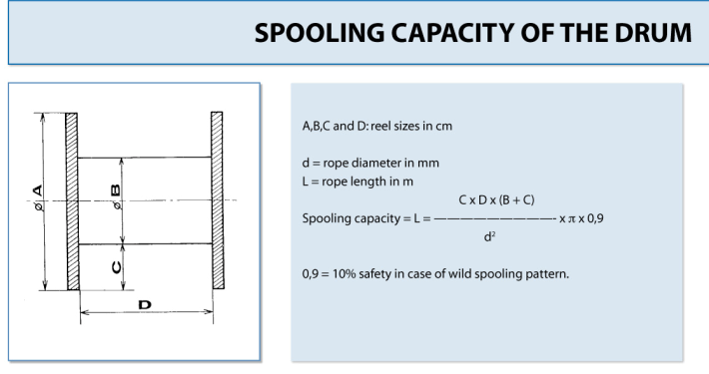
 |  |  |  |  |  | Tipto Eight: | a Floating Stretcher for the 28 Tons B.P. tugs
 |  |  |  |  |  | Euroflex Stretcher: Strongest strength retention.
 |  |  |  |  |  | Both grommet types outperform Nylon types
 |  |  |  |  |  | Drum Capacity: If steelwire is fitting, definitely the Euroneema will fit.
 |  |  |  |  |  | EURONEEMA rope needs a smaller diameter than steel for the same MBF
 |  |  |  |  |  | To be sure, you can calculate the winch capacity. But again, if steelwire fits, also
 |  |  |  |  |  | Euroneema will fit.

